Guidance
How to use the Test Catalogue

Identfies which roles the QTC applies to.
Confirms how many tests will be created in the QTF depending on the role testing.
Introduction
The Test Catalogue outlines all Qualfication Test Cases available for testing by Participants. Each Qualification Test Case (QTC) listed in this catalogue also contains information about the market roles applicable for each test, the number of distinct tests that will be required for each QTC e.g. incoming/outgoing/supplier-linked and the pre-requsite QTC that must be run prior to execution (800/900 series). Each Participant must review this catalogue, listing any exclusions (if they apply as agreed with the Code Bodies) and submit to the MHHS Qualification inbox for QTF configuration prior to Qualification Testing. Please note that a separate catalogue must be issued for each market role which sould be identified in the Pro Forma sheet as well as the designated test resources.

Distinct Tests to Run
Each QTC identifies the number of distinct tests that will be created in the Qualification Testing Framework (QTF) as impacted by the Role Requirements where incoming, outgoing and/or supplier-linked cases may apply. While this is represented as a single QTC within the test catalogue, a distinct test for each condition will be created within the QTF to be run by the Participant in accordance with market role. (e.g. 'Y' denotes a single test, 'Y*' denotes incoming and outgoing (2 tests) and 'Y' under 'Supplier Linked' requires a seperate test). The Participant may easily calculate the total number of tests to be run (excludes 500/800/900 series) by adding the values in the column specific to the Participants role. |  | 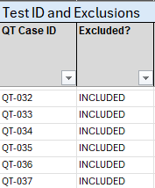

If the Participant is a Supplier, the sum of the values in the SUP QTC run count, for INCLUDED QTCs only, should be used to determine total tests to be run as part of the QT Execution Plan.

Suffix of I indicates Incoming and suffix of O indicates Outgoing (or Current if there is no change of role during the QTC)

Prerequsiste Tests (800/900 series)
Included in the catalogue are the Prerequisite tests that are incorporated into the execution of any Qualification Test Case where applicable. As an example, a Supplier on selecting QT-001 will be prompted to run QT-954 automatically. Where incoming and outgoing tests apply, there will be a prerequisite test identified for each condition. Please note that 500/800/900 series tests are NOT to be included in the test counts stated in the QT Test Execution Plan (Section 4.2 of the Non-SIT S&A Qualification Test Plan). Note: further detail on how the QTF manages Participants through prequisite tests will be explained in the QTF Online Guide | 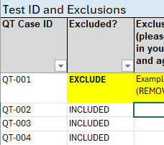
A Supplier will be prompted to run QT-954 automatically when selecting QT-001 for execution from the QT Test Set.

Effective Time and T-Shirt Sizing
As of v1.1, there is now additional columns to indicate effective time appropriate to each QTC. Also added are columns indidicating T-shirt sizing for each QTC depending on the role impacted; this is explained in supplementary guidance. (see slide deck for SAGTSG JULY 2025) |  |  | 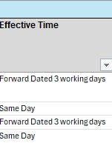

Effective Time applicable to the test.
T-Shirt Sizing applicable to each role.

Annotating Exclusions
By default, all Qualification Test Cases in the Test Catalogue are marked as 'Included' although it is understood that many Participants will limit testing to a smaller subset of QTCs depending on agreement with the Code Bodies under Placing Reliance and/or exemptions. Where exclusions may apply, Participants are required to update the value for the relevant QTCs to 'EXCLUDE' and MUST provide a reason in the adjacent column for the exclusion; this should always align with the Participant's RTTM, PIT Approach and Plan and any Placing Reliance agreements in place. Once submitted, only those QTCs that are marked as 'INCLUDED' will be generated in the QTF for the Participant's Role proceeding through Qualification Testing. Additional tests to cover incoming, outgoing and supplier-linked conditions will be generated automatically as distinct tests. | 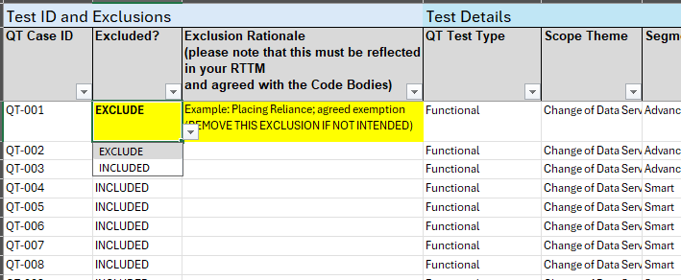

Any QTC to be excluded from the Participant's Test Set must be marked accordingly by selecting 'EXCLUDE' next to the relevant QTC.
A rationale must be provided for each exclusion and must align to the Participant's RTTM otherwise the Test Set will be returned for correction.

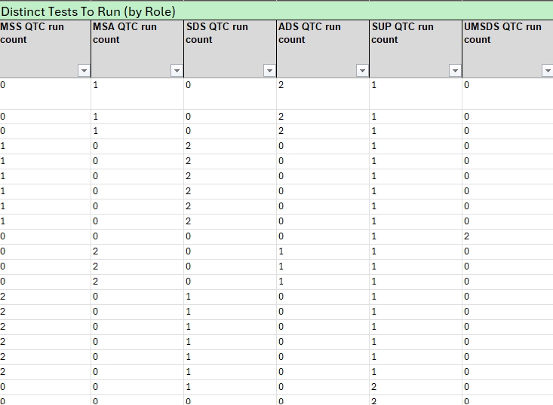
DEL3038 - Non-SIT S&A Qualification Test Plan
Completing Section 4.2 of the Non-SIT S&A Qualification Test Plan (DEL3038)
The Test Catalogue should be used to derive the final test count for the QT Test Execution Plan contained with the Qualification Test Plan. As the derived counts have been provided in this catalogue, the sum of the 'Distinct Tests To Run' according to the Participant's Role should be tallied and align to the volumes stated within Section 4.2 of the Non-SIT S&A Qualification Test Plan. Participants must ensure that only QTCs marked as 'INCLUDED' are counted. |  |  |  | 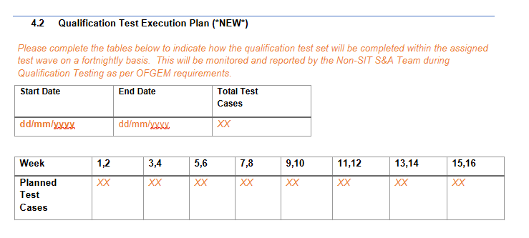

XX
As an example, if the Participant is testing under the 'Supplier' role, the sum of the 'SUP QTC run count' for INCLUDED QTCs should match the 'Total Test Cases' stated in Section 4.2 - Qualification Test Execution Plan.

Smoke Tests
Following QTF Onboarding, Participants will have access to a set of two smoke tests specific to the role being tested. These tests will not impact Qualification and are provided to ensure throughput from the QTF via DIP/DTN to Participant systems. These tests are not to be included in the test counts stated in the Non-SIT S&A QT Test Plan.

Specifies role applicable for each smoke test.

